16.07.2026
Kép | Modell | Név | Szorti | Stock | NK ár | Akciós NK ár | SRP
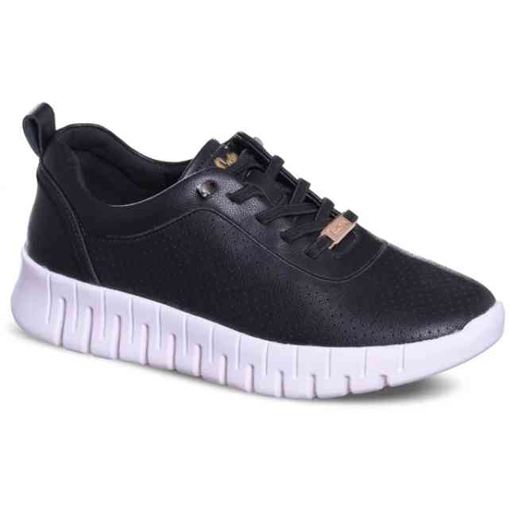 | LCW-26-01-4000LA | LEE COOPER | 1-2-3-3-2-1 | 78 | 9,163 Ft | 7,789 Ft | 21,990 Ft
 | LCW-26-01-4000LB | LEE COOPER | 1-3-3-3-2 | 42 | 9,163 Ft | 7,789 Ft | 21,990 Ft
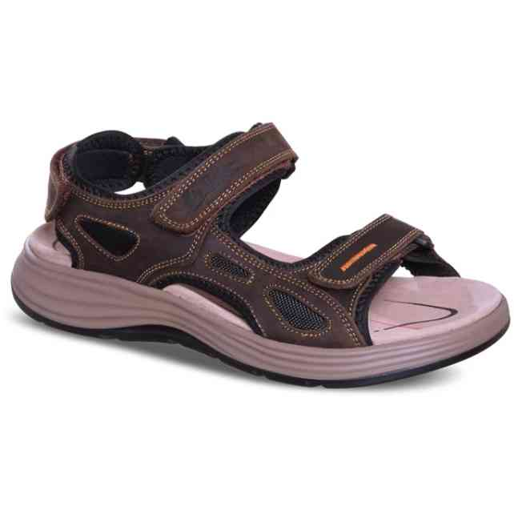 | LCW-26-01-4024MA | LEE COOPER | 1-2-3-3-2-1 | 54 | 8,329 Ft | 7,080 Ft | 19,990 Ft
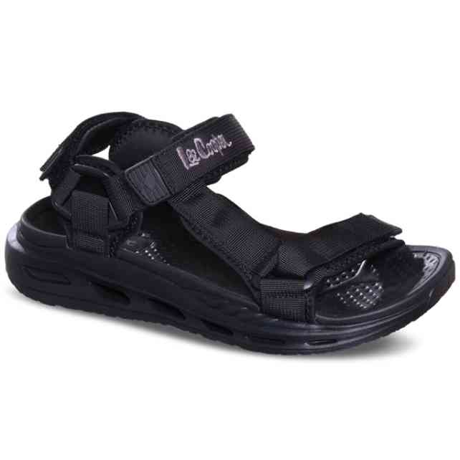 | LCW-26-01-4025MA | LEE COOPER | 1-2-3-3-2-1 | 114 | 7,079 Ft | 6,017 Ft | 16,990 Ft
 | LCW-26-01-4025MR | LEE COOPER | 2-2-3-3-2 | 12 | 7,079 Ft | 6,017 Ft | 16,990 Ft
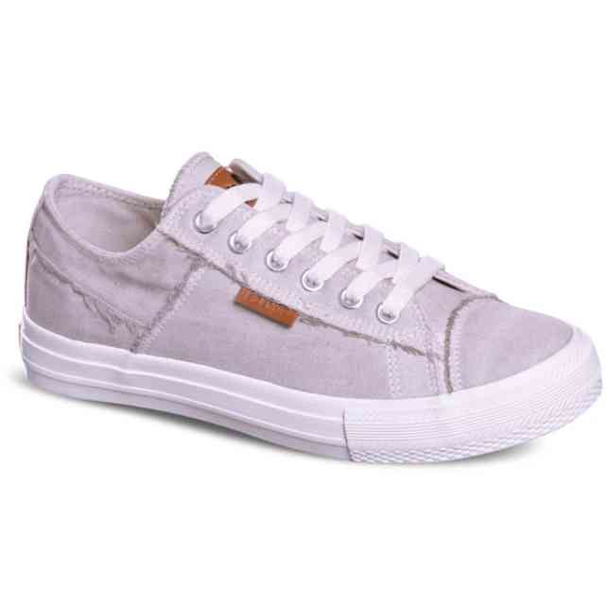 | LCW-26-02-4048LA | LEE COOPER | 1-2-3-3-2-1 | 72 | 5,413 Ft | 4,601 Ft | 12,990 Ft
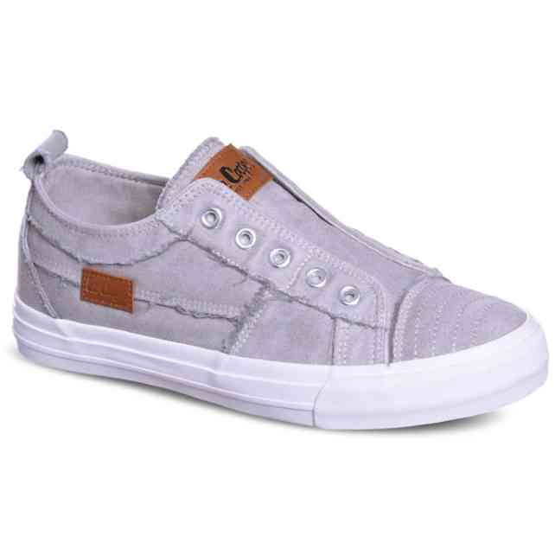 | LCW-26-02-4053LA | LEE COOPER | 1-2-3-3-2-1 | 150 | 5,829 Ft | 4,955 Ft | 13,990 Ft
 | LCW-26-02-4053LB | LEE COOPER | 1-3-3-3-2 | 60 | 5,829 Ft | 4,955 Ft | 13,990 Ft
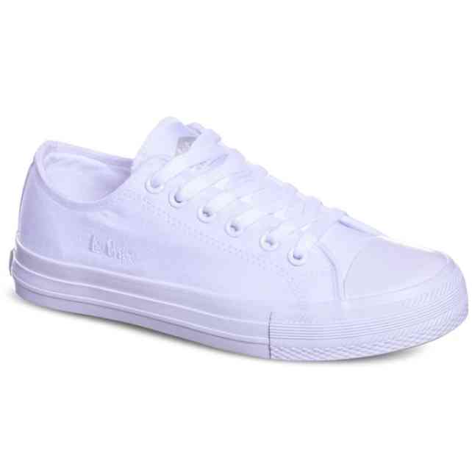 | LCW-26-02-4055LA | LEE COOPER | 1-2-3-3-2-1 | 54 | 5,413 Ft | 4,601 Ft | 12,990 Ft
 | LCW-26-02-4055LB | LEE COOPER | 1-3-3-3-2 | 24 | 5,413 Ft | 4,601 Ft | 12,990 Ft
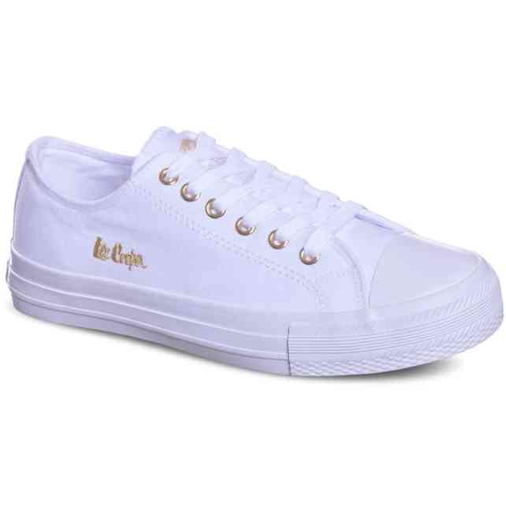 | LCW-26-02-4056LA | LEE COOPER | 1-2-3-3-2-1 | 41 | 5,413 Ft | 4,601 Ft | 12,990 Ft
 | LCW-26-02-4056LB | LEE COOPER | 1-3-3-3-2 | 24 | 5,413 Ft | 4,601 Ft | 12,990 Ft
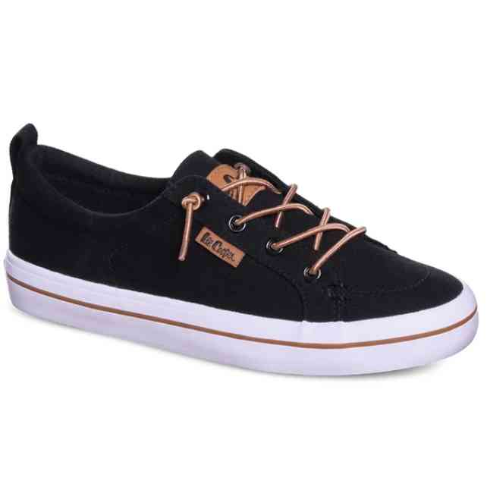 | LCW-26-02-4059LA | LEE COOPER | 1-2-3-3-2-1 | 53 | 5,413 Ft | 4,601 Ft | 12,990 Ft
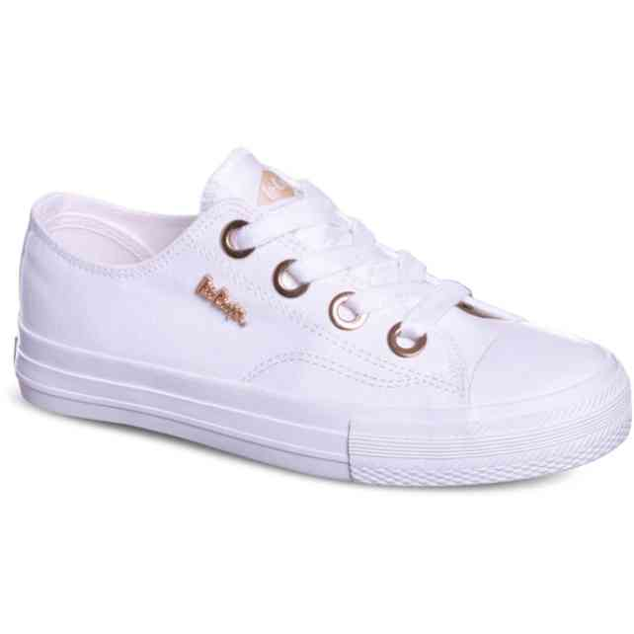 | LCW-26-02-4068LA | LEE COOPER | 1-2-3-3-2-1 | 132 | 5,413 Ft | 4,601 Ft | 12,990 Ft
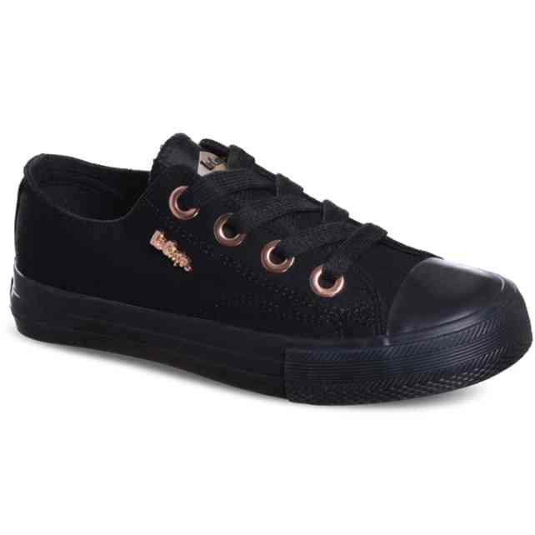 | LCW-26-02-4069LA | LEE COOPER | 1-2-3-3-2-1 | 84 | 5,413 Ft | 4,601 Ft | 12,990 Ft
 | LCW-26-02-4069LB | LEE COOPER | 1-3-3-3-2 | 12 | 5,413 Ft | 4,601 Ft | 12,990 Ft
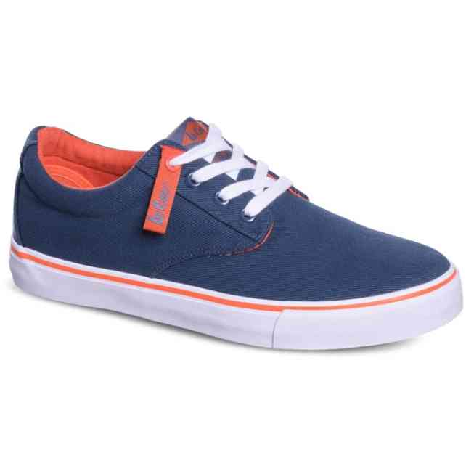 | LCW-26-02-4084MC | LEE COOPER | 1-1-3-3-2-2 | 162 | 5,829 Ft | 4,955 Ft | 13,990 Ft
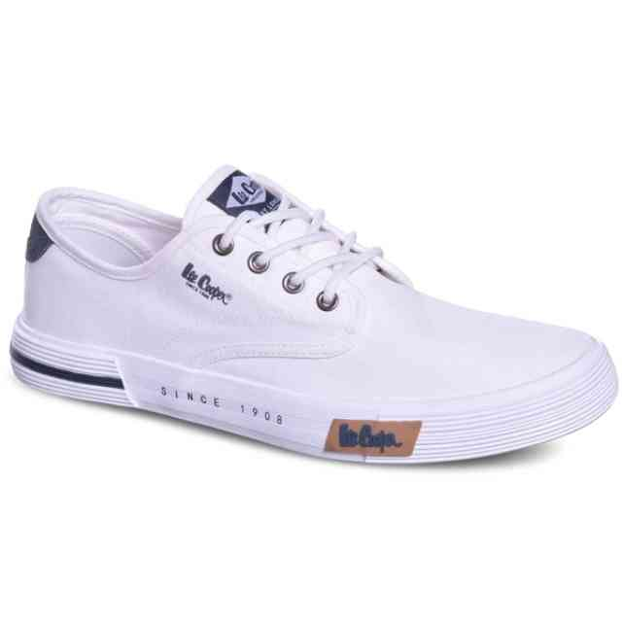 | LCW-26-02-4086MC | LEE COOPER | 1-1-3-3-2-2 | 12 | 5,829 Ft | 4,955 Ft | 13,990 Ft
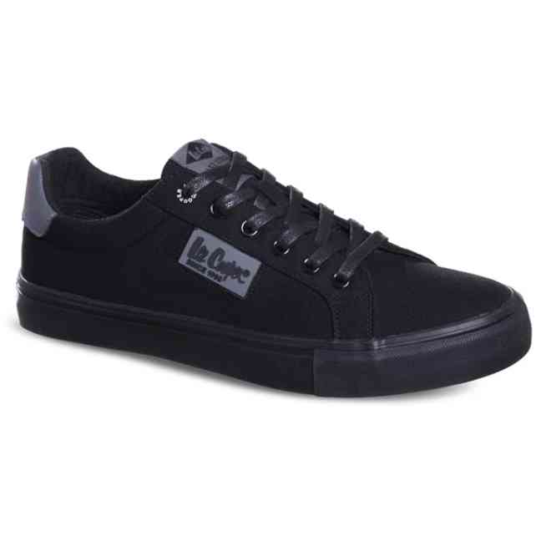 | LCW-26-02-4092MC | LEE COOPER | 1-1-3-3-2-2 | 77 | 5,829 Ft | 4,955 Ft | 13,990 Ft
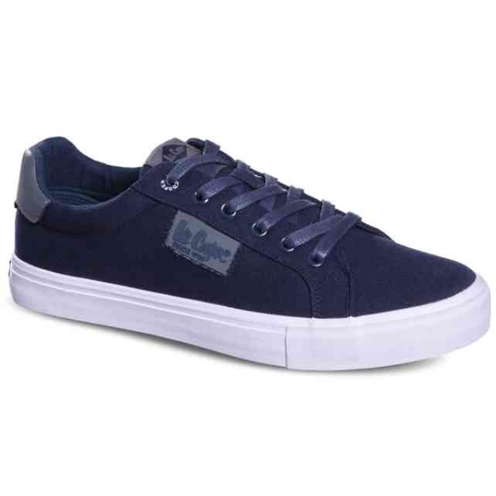 | LCW-26-02-4093MC | LEE COOPER | 1-1-3-3-2-2 | 12 | 5,829 Ft | 4,955 Ft | 13,990 Ft
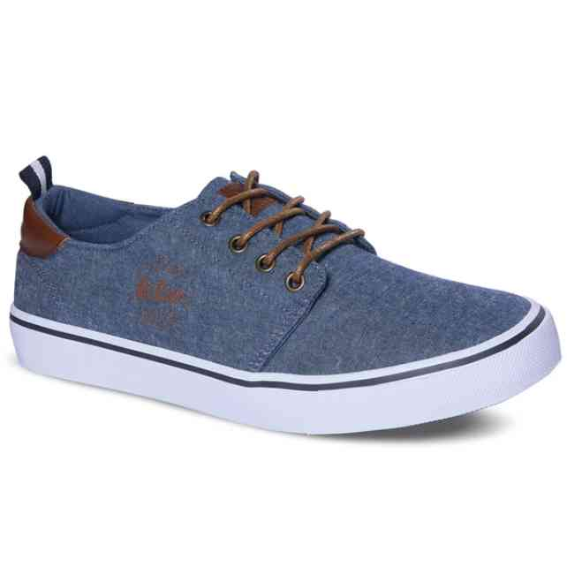 | LCW-26-02-4096MC | LEE COOPER | 1-1-3-3-2-2 | 132 | 5,829 Ft | 4,955 Ft | 13,990 Ft
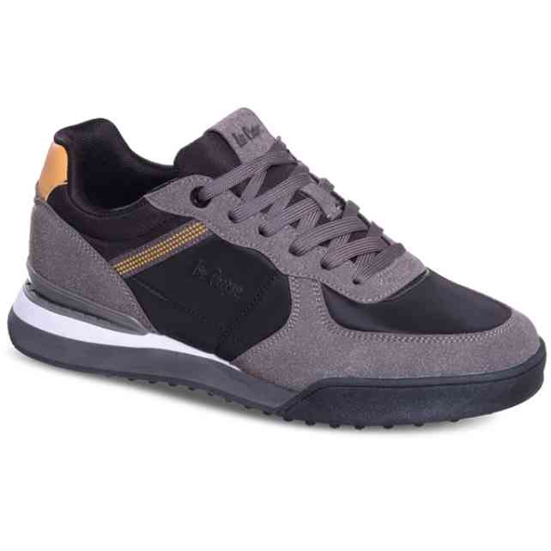 | LCW-26-03-4118MA | LEE COOPER | 1-2-3-3-2-1 | 81 | 8,746 Ft | 7,434 Ft | 20,990 Ft
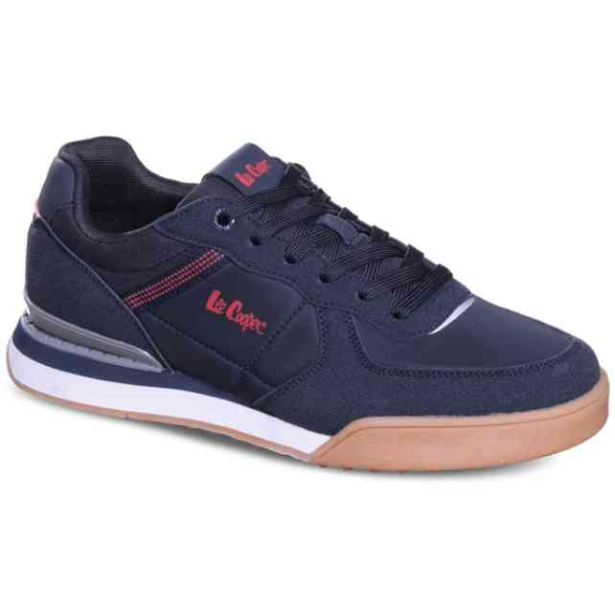 | LCW-26-03-4119MA | LEE COOPER | 1-2-3-3-2-1 | 89 | 8,746 Ft | 7,434 Ft | 20,990 Ft
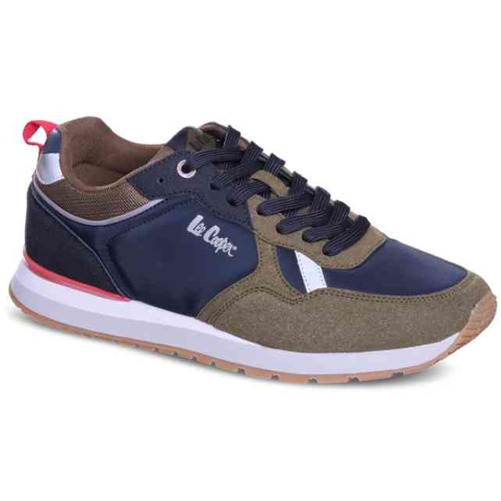 | LCW-26-03-4121MA | LEE COOPER | 1-2-3-3-2-1 | 28 | 8,746 Ft | 7,434 Ft | 20,990 Ft
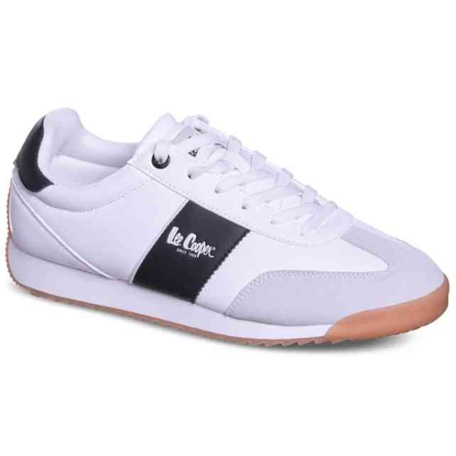 | LCW-26-03-4135MA | LEE COOPER | 1-2-3-3-2-1 | 162 | 7,913 Ft | 6,726 Ft | 18,990 Ft
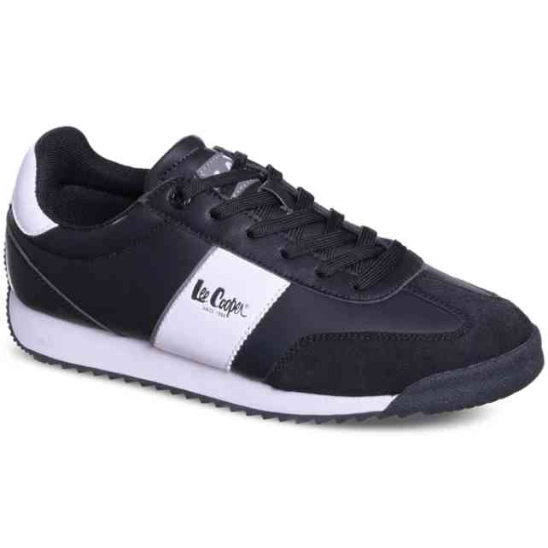 | LCW-26-03-4136MA | LEE COOPER | 1-2-3-3-2-1 | 24 | 7,913 Ft | 6,726 Ft | 18,990 Ft
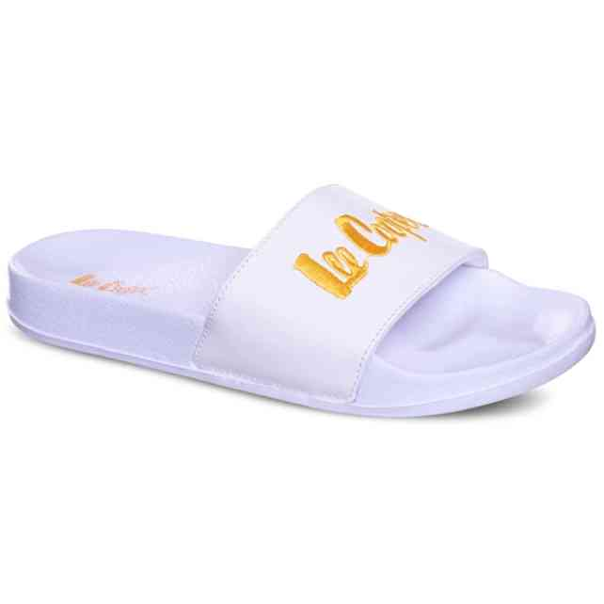 | LCW-26-07-4150LA | LEE COOPER | 1-2-3-3-2-1 | 156 | 3,329 Ft | 2,830 Ft | 7,990 Ft
 | LCW-26-07-4150LB | LEE COOPER | 1-3-3-3-2 | 12 | 3,329 Ft | 2,830 Ft | 7,990 Ft
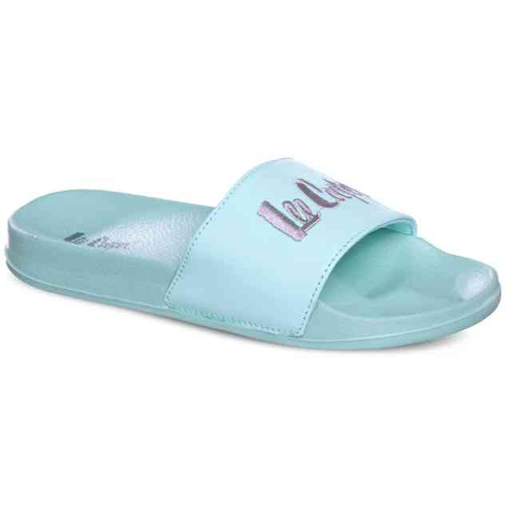 | LCW-26-07-4151LA | LEE COOPER | 1-2-3-3-2-1 | 24 | 3,329 Ft | 2,830 Ft | 7,990 Ft
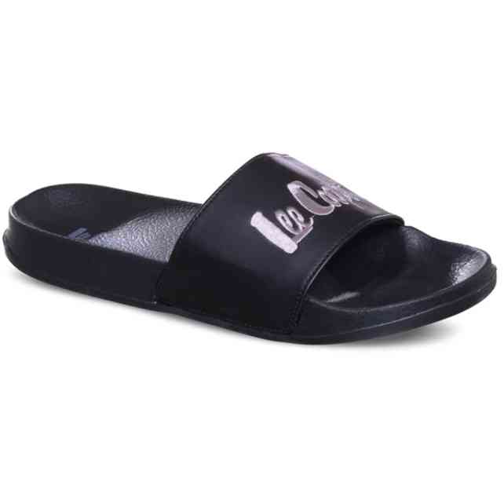 | LCW-26-07-4152MA | LEE COOPER | 1-2-3-3-2-1 | 96 | 3,329 Ft | 2,830 Ft | 7,990 Ft
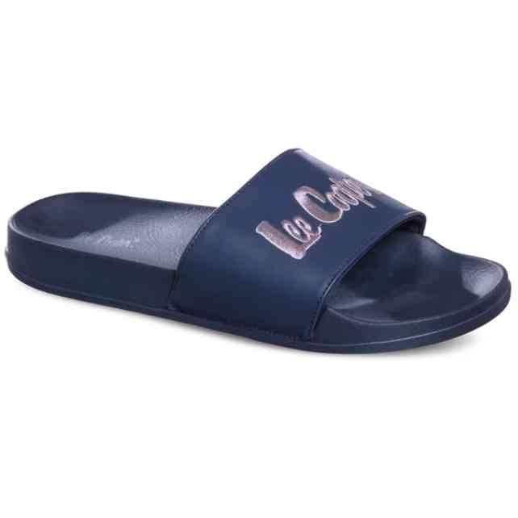 | LCW-26-07-4153MA | LEE COOPER | 1-2-3-3-2-1 | 144 | 3,329 Ft | 2,830 Ft | 7,990 Ft
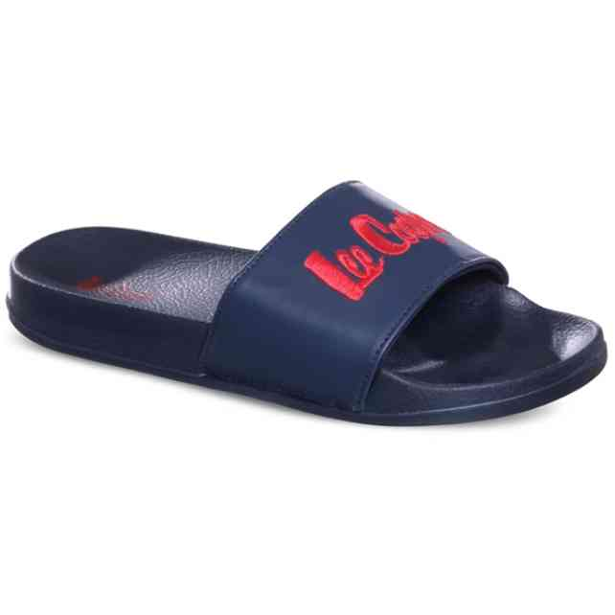 | LCW-26-07-4155MA | LEE COOPER | 1-2-3-3-2-1 | 108 | 3,329 Ft | 2,830 Ft | 7,990 Ft
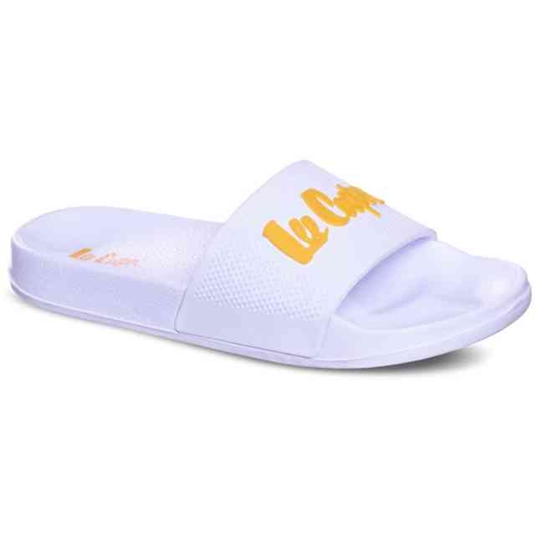 | LCW-26-07-4156LA | LEE COOPER | 1-2-3-3-2-1 | 66 | 3,329 Ft | 2,830 Ft | 7,990 Ft
 | LCW-26-07-4156LB | LEE COOPER | 1-3-3-3-2 | 42 | 3,329 Ft | 2,830 Ft | 7,990 Ft
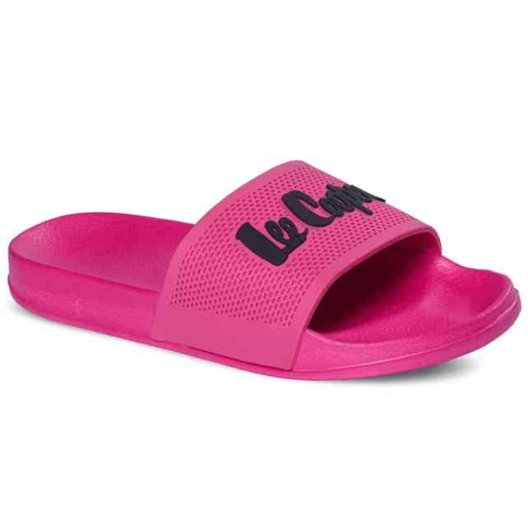 | LCW-26-07-4160LA | LEE COOPER | 1-2-3-3-2-1 | 29 | 3,329 Ft | 2,830 Ft | 7,990 Ft
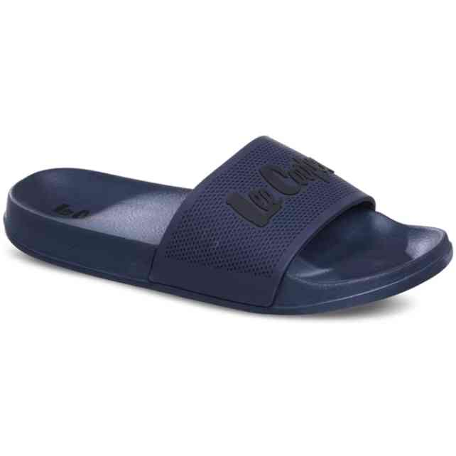 | LCW-26-07-4163MA | LEE COOPER | 1-2-3-3-2-1 | 12 | 3,329 Ft | 2,830 Ft | 7,990 Ft
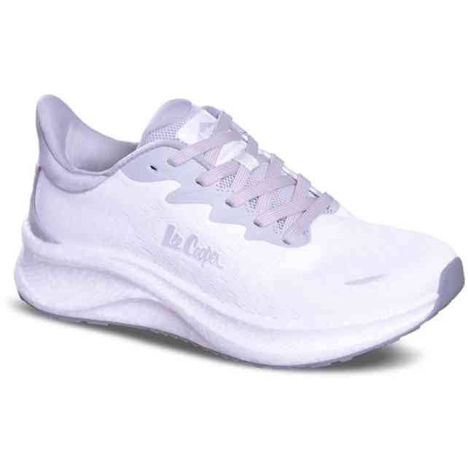 | LCW-26-13-4191LA | LEE COOPER | 1-2-3-3-2-1 | 31 | 9,579 Ft | 8,142 Ft | 22,990 Ft
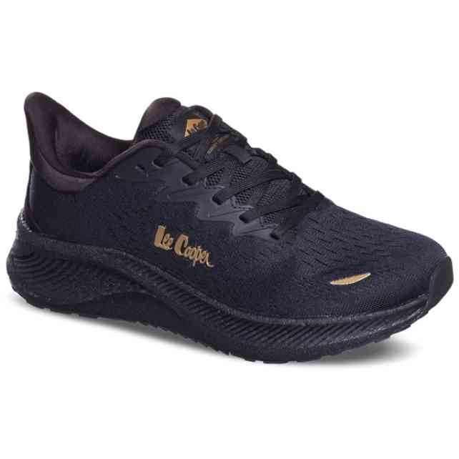 | LCW-26-13-4192LA | LEE COOPER | 1-2-3-3-2-1 | 249 | 9,579 Ft | 8,142 Ft | 22,990 Ft
 | LCW-26-13-4192LB | LEE COOPER | 1-3-3-3-2 | 24 | 9,579 Ft | 8,142 Ft | 22,990 Ft
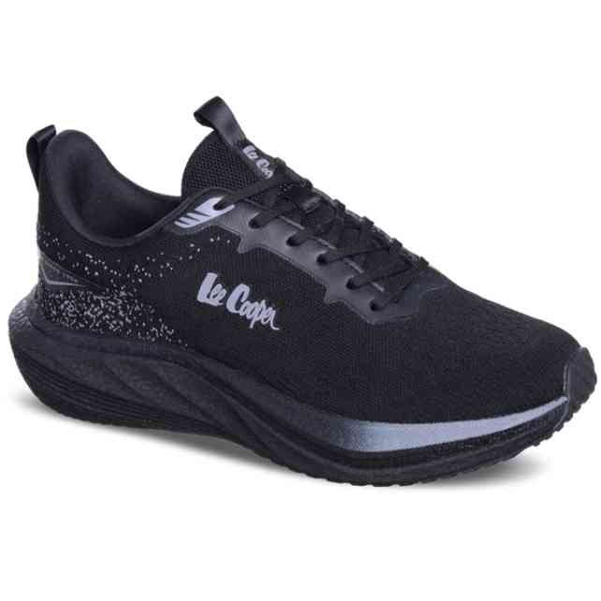 | LCW-26-13-4196MC | LEE COOPER | 1-1-3-3-2-2 | 24 | 8,746 Ft | 7,434 Ft | 20,990 Ft
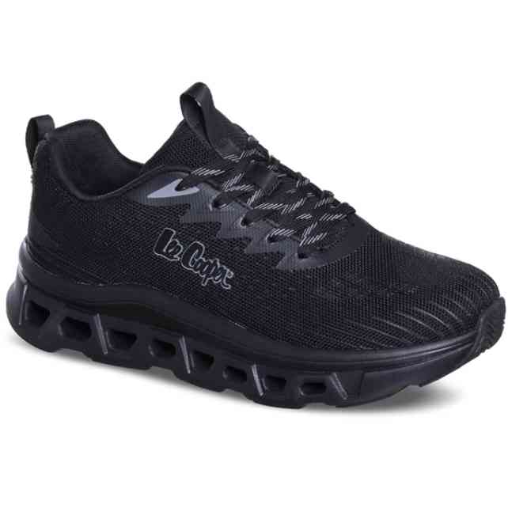 | LCW-26-14-4219MA | LEE COOPER | 1-2-3-3-2-1 | 69 | 9,996 Ft | 8,497 Ft | 23,990 Ft
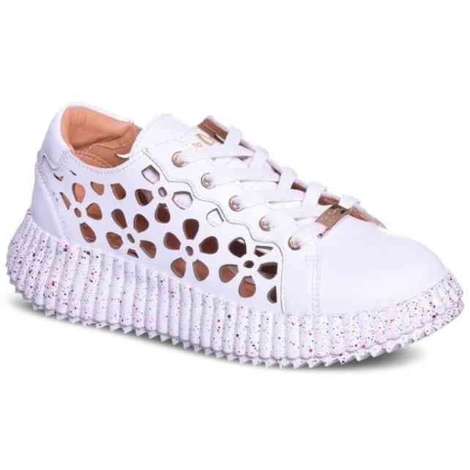 | LCW-26-15-4230LA | LEE COOPER | 1-2-3-3-2-1 | 115 | 10,829 Ft | 9,205 Ft | 25,990 Ft
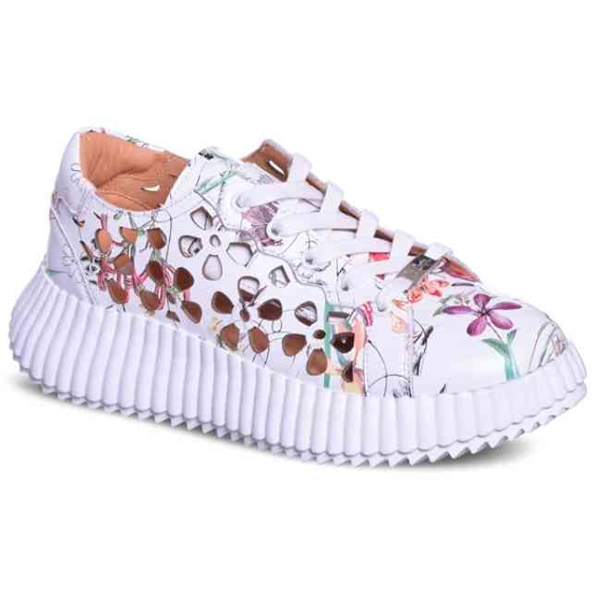 | LCW-26-15-4232LB | LEE COOPER | 1-3-3-3-2 | 24 | 11,663 Ft | 9,914 Ft | 27,990 Ft
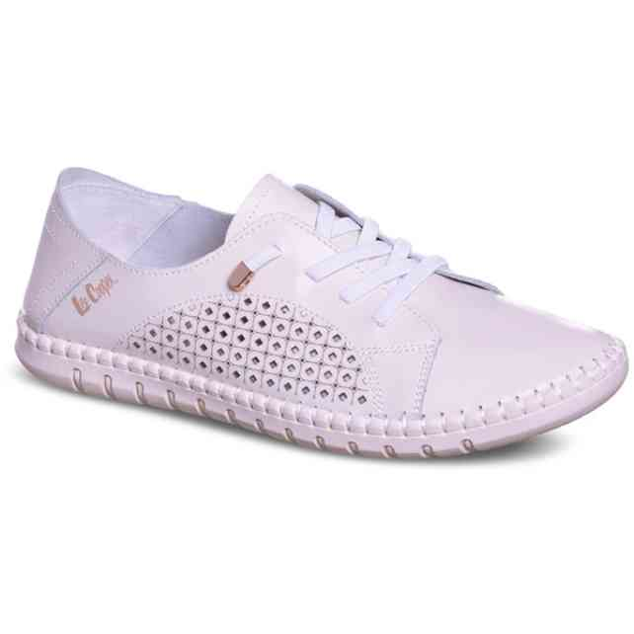 | LCW-26-15-4252LA | LEE COOPER | 1-2-3-3-2-1 | 77 | 7,079 Ft | 6,017 Ft | 16,990 Ft
 | LCW-26-15-4253LA | LEE COOPER | 1-2-3-3-2-1 | 12 | 7,079 Ft | 6,017 Ft | 16,990 Ft
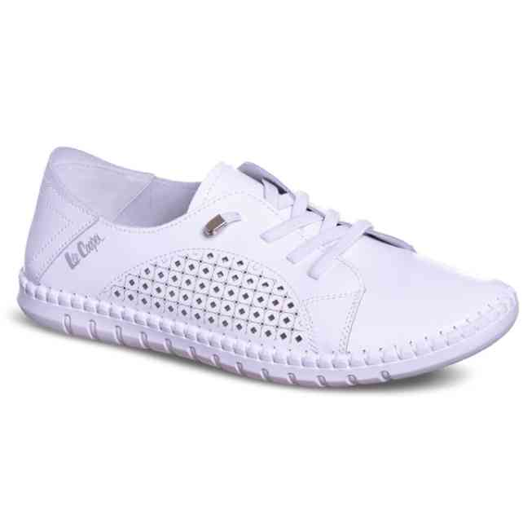 | LCW-26-15-4253LB | LEE COOPER | 1-3-3-3-2 | 4 | 7,079 Ft | 6,017 Ft | 16,990 Ft
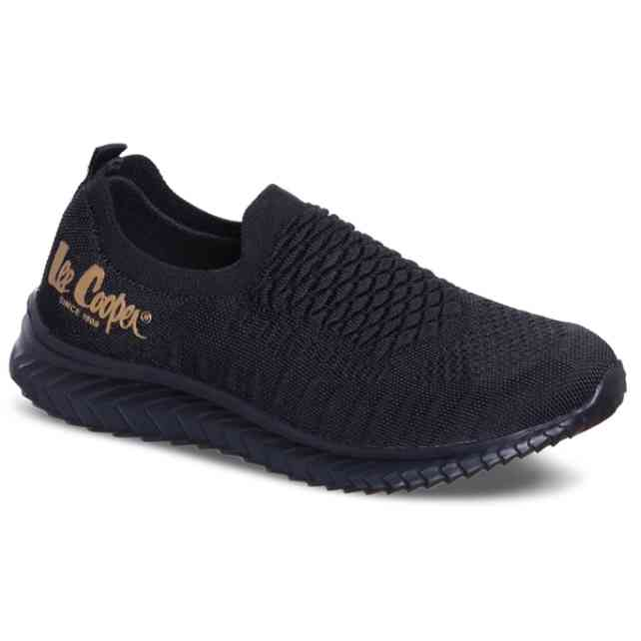 | LCW-26-15-4255LA | LEE COOPER | 1-2-3-3-2-1 | 40 | 6,663 Ft | 5,664 Ft | 15,990 Ft
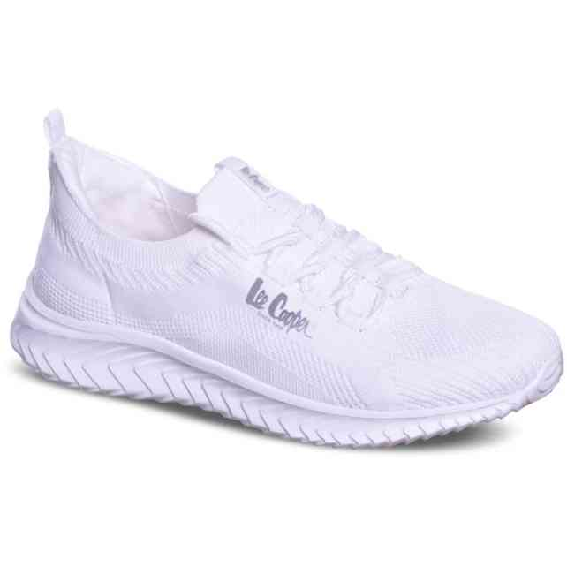 | LCW-26-15-4263LA | LEE COOPER | 1-2-3-3-2-1 | 22 | 7,496 Ft | 6,372 Ft | 17,990 Ft
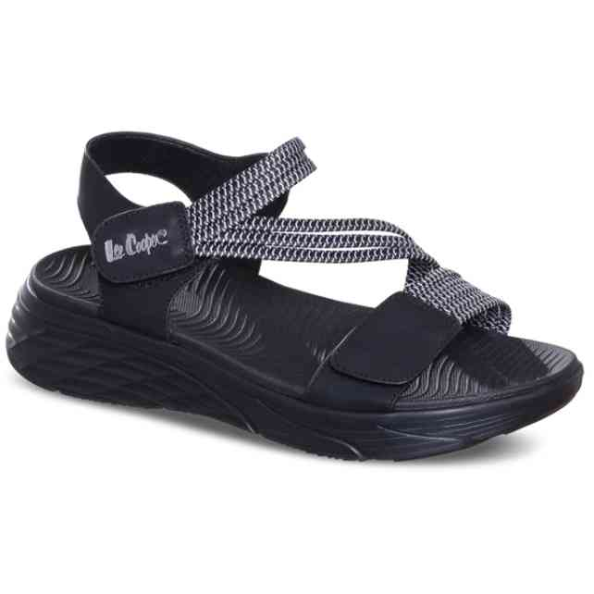 | LCW-26-15-4268LA | LEE COOPER | 1-2-3-3-2-1 | 35 | 8,329 Ft | 7,080 Ft | 19,990 Ft
 | LCW-26-15-4268LB | LEE COOPER | 1-3-3-3-2 | 78 | 8,329 Ft | 7,080 Ft | 19,990 Ft
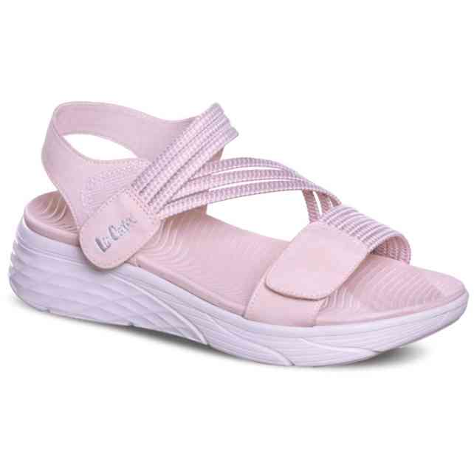 | LCW-26-15-4270LA | LEE COOPER | 1-2-3-3-2-1 | 48 | 8,329 Ft | 7,080 Ft | 19,990 Ft
 | LCW-26-15-4270LB | LEE COOPER | 1-3-3-3-2 | 12 | 8,329 Ft | 7,080 Ft | 19,990 Ft
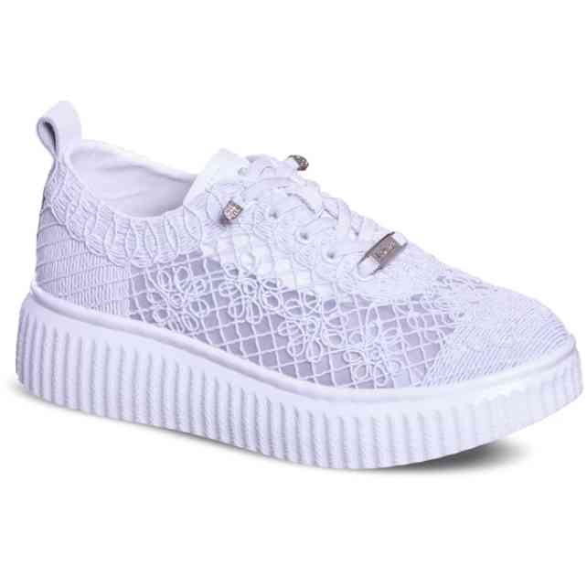 | LCW-26-16-4284LA | LEE COOPER | 1-2-3-3-2-1 | 12 | 9,579 Ft | 8,142 Ft | 22,990 Ft
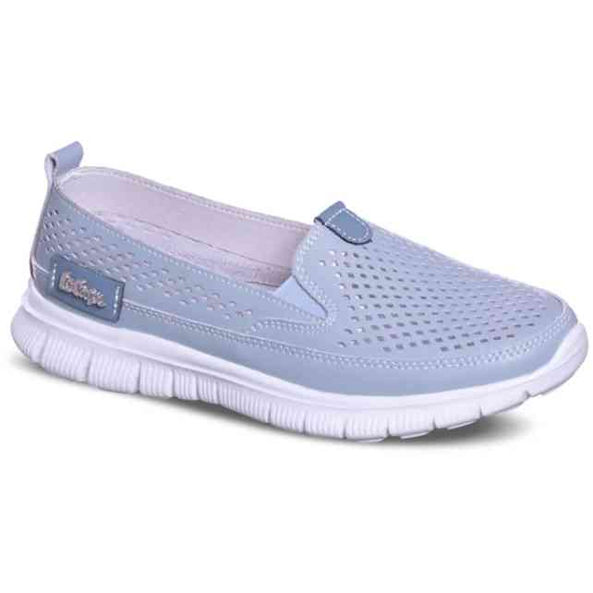 | LCW-26-16-4291LA | LEE COOPER | 1-2-3-3-2-1 | 12 | 8,329 Ft | 7,080 Ft | 19,990 Ft
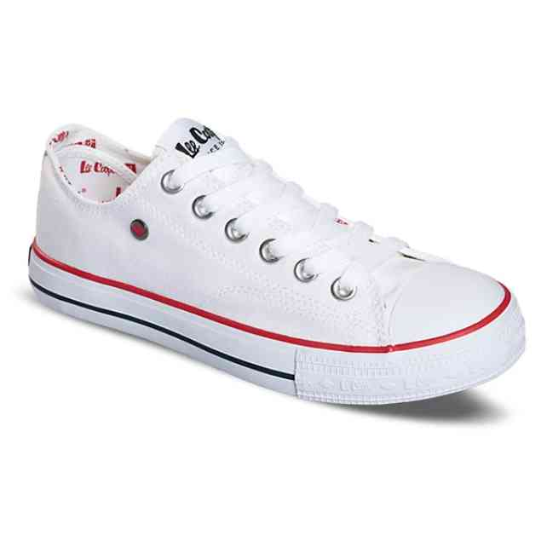 | LCW-26-31-4310LA | LEE COOPER | 1-2-3-3-2-1 | 125 | 4,579 Ft | 3,892 Ft | 10,990 Ft
 | LCW-26-31-4310LB | LEE COOPER | 1-3-3-3-2 | 12 | 4,579 Ft | 3,892 Ft | 10,990 Ft
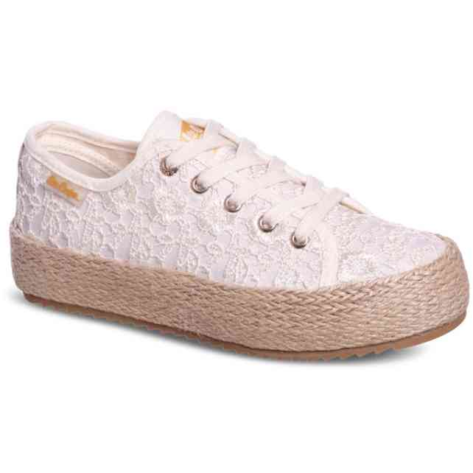 | LCW-26-31-4328LA | LEE COOPER | 1-2-3-3-2-1 | 10 | 5,829 Ft | 4,955 Ft | 13,990 Ft
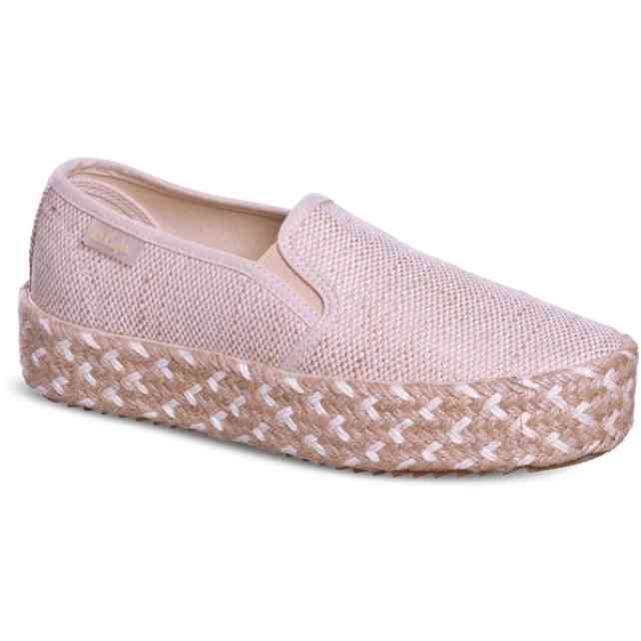 | LCW-26-31-4332LA | LEE COOPER | 1-2-3-3-2-1 | 12 | 6,246 Ft | 5,309 Ft | 14,990 Ft
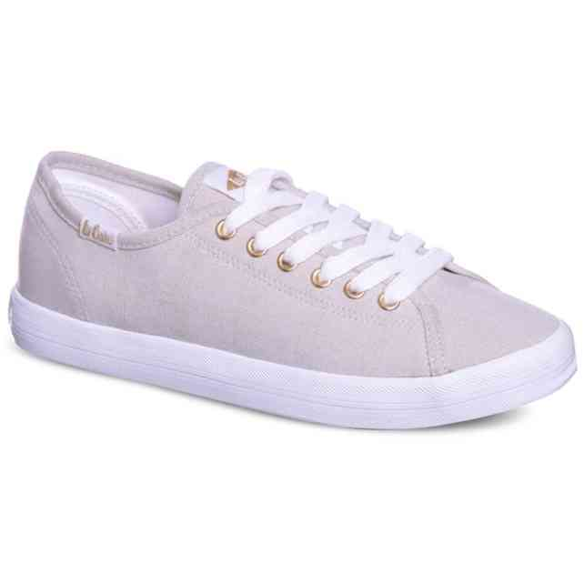 | LCW-26-31-4349LA | LEE COOPER | 1-2-3-3-2-1 | 126 | 4,996 Ft | 4,247 Ft | 11,990 Ft
 | LCW-26-31-4349LB | LEE COOPER | 1-3-3-3-2 | 24 | 4,996 Ft | 4,247 Ft | 11,990 Ft
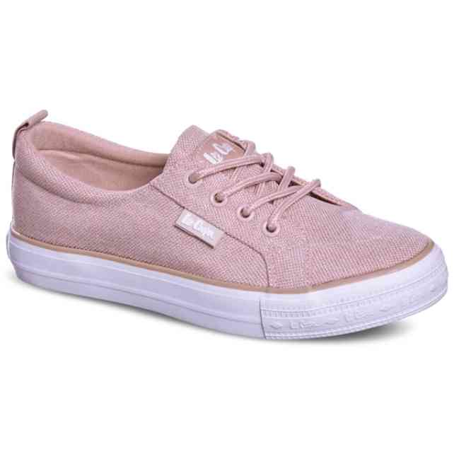 | LCW-26-31-4353LA | LEE COOPER | 1-2-3-3-2-1 | 84 | 4,996 Ft | 4,247 Ft | 11,990 Ft
 | LCW-26-31-4353LB | LEE COOPER | 1-3-3-3-2 | 60 | 4,996 Ft | 4,247 Ft | 11,990 Ft
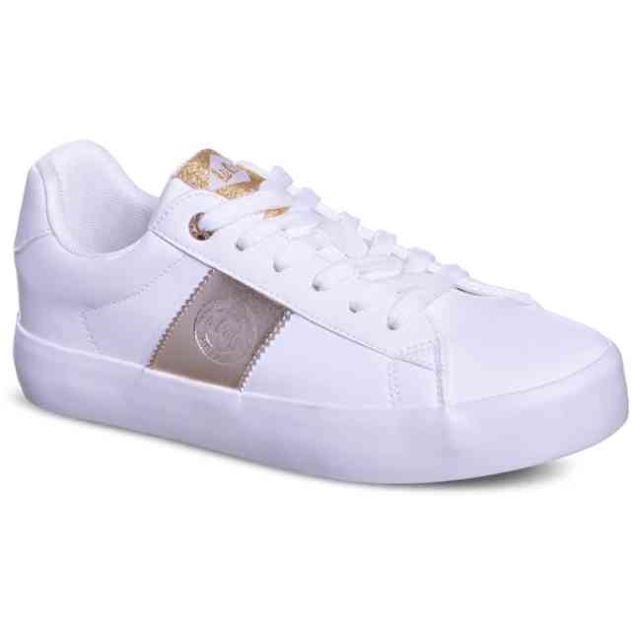 | LCW-26-31-4365LA | LEE COOPER | 1-2-3-3-2-1 | 53 | 5,413 Ft | 4,601 Ft | 12,990 Ft
 | LCW-26-31-4365LB | LEE COOPER | 1-3-3-3-2 | 24 | 5,413 Ft | 4,601 Ft | 12,990 Ft
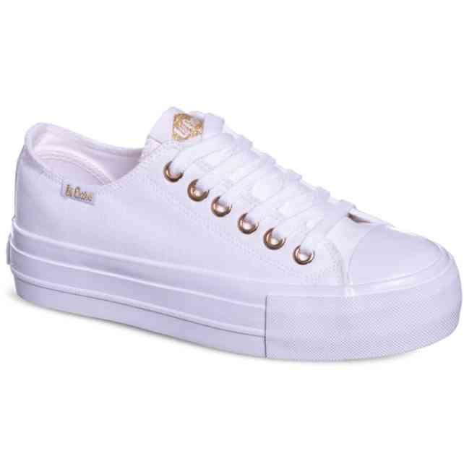 | LCW-26-31-4369LA | LEE COOPER | 1-2-3-3-2-1 | 44 | 4,996 Ft | 4,247 Ft | 11,990 Ft
 | LCW-26-31-4369LB | LEE COOPER | 1-3-3-3-2 | 36 | 4,996 Ft | 4,247 Ft | 11,990 Ft
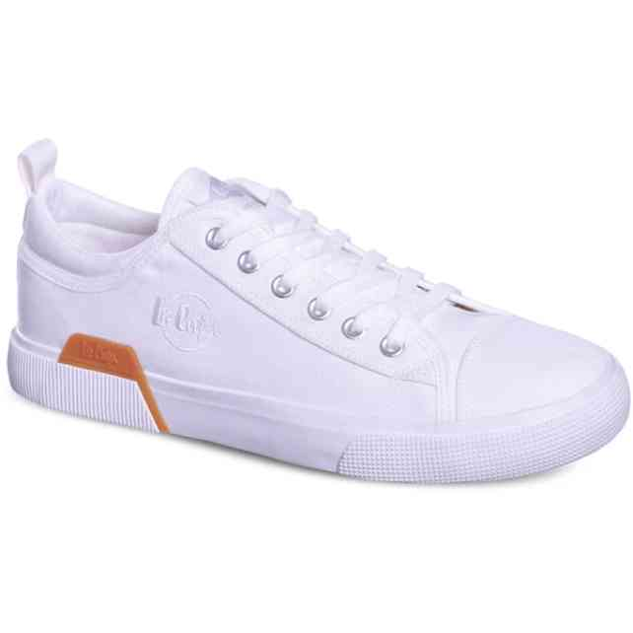 | LCW-26-31-4384MC | LEE COOPER | 1-1-3-3-2-2 | 288 | 5,413 Ft | 4,601 Ft | 12,990 Ft
 | LCW-26-34-4436K | LEE COOPER | 1-1-1-1-2-2-2-2 | 41 | 4,579 Ft | 3,892 Ft | 10,990 Ft
 | LCW-26-34-4439K | LEE COOPER | 1-1-1-1-2-2-2-2 | 156 | 4,579 Ft | 3,892 Ft | 10,990 Ft
 | LCW-26-44-4474LA | LEE COOPER | 1-2-3-3-2-1 | 150 | 4,579 Ft | 3,892 Ft | 10,990 Ft
 | LCW-26-44-4474LB | LEE COOPER | 1-3-3-3-2 | 84 | 4,579 Ft | 3,892 Ft | 10,990 Ft
 | LCW-26-44-4479LA | LEE COOPER | 1-2-3-3-2-1 | 176 | 5,413 Ft | 4,601 Ft | 12,990 Ft
 | LCW-26-44-4479LB | LEE COOPER | 1-3-3-3-2 | 36 | 5,413 Ft | 4,601 Ft | 12,990 Ft
 | LCW-26-44-4480LA | LEE COOPER | 1-2-3-3-2-1 | 168 | 5,413 Ft | 4,601 Ft | 12,990 Ft
 | LCW-26-44-4481LA | LEE COOPER | 1-2-3-3-2-1 | 29 | 5,413 Ft | 4,601 Ft | 12,990 Ft
 | LCW-26-44-4481LB | LEE COOPER | 1-3-3-3-2 | 9 | 5,413 Ft | 4,601 Ft | 12,990 Ft
 | LCW-26-44-4482LA | LEE COOPER | 1-2-3-3-2-1 | 153 | 5,413 Ft | 4,601 Ft | 12,990 Ft
 | LCW-26-44-4482LB | LEE COOPER | 1-3-3-3-2 | 48 | 5,413 Ft | 4,601 Ft | 12,990 Ft
 | LCW-26-44-4483LA | LEE COOPER | 1-2-3-3-2-1 | 23 | 5,413 Ft | 4,601 Ft | 12,990 Ft
 | LCW-26-44-4483LB | LEE COOPER | 1-3-3-3-2 | 60 | 5,413 Ft | 4,601 Ft | 12,990 Ft
 | LCW-26-44-4484LA | LEE COOPER | 1-2-3-3-2-1 | 1 | 5,413 Ft | 4,601 Ft | 12,990 Ft
 | LCW-26-44-4484LB | LEE COOPER | 1-3-3-3-2 | 12 | 5,413 Ft | 4,601 Ft | 12,990 Ft
 | LCW-26-44-4485LB | LEE COOPER | 1-3-3-3-2 | 1 | 5,413 Ft | 4,601 Ft | 12,990 Ft
 | LCW-26-44-4486LB | LEE COOPER | 1-3-3-3-2 | 37 | 5,413 Ft | 4,601 Ft | 12,990 Ft

